Bug Report
Category | Label | Value
Bug ID | ID number | #2
 | Name | Catalog filters aren’t aligned
 | Reporter | Katarina Todorovic
 | Submit Date | 2020-09-25
Bug overview | Summary | When user go to dresses from top navigaton menu see that dresses categories are not left aligned
 | URL | http://automationpractice.com/index.php?id_category=8&controller=category
 | Screenshot | 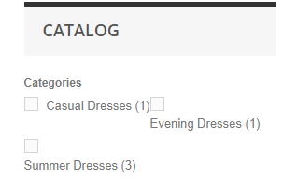
Environment | Platform | Java
 | Operating System | Windows 8.1 Pro x 64
 | Browser | 85.0.4183.121
Bug details | Steps to reproduce | 1. Open browser (Opera) 2. Go to: http://automationpractice.com/index.php?id_category=8&controller=category
 | Expected result | Categories are left aligned
 | Actual result | Filters aren’t aligned
 | Description | /
Bug tracking | Severity | Low

 | Priority | Low
Notes | Notes | /

